Manpower Admin
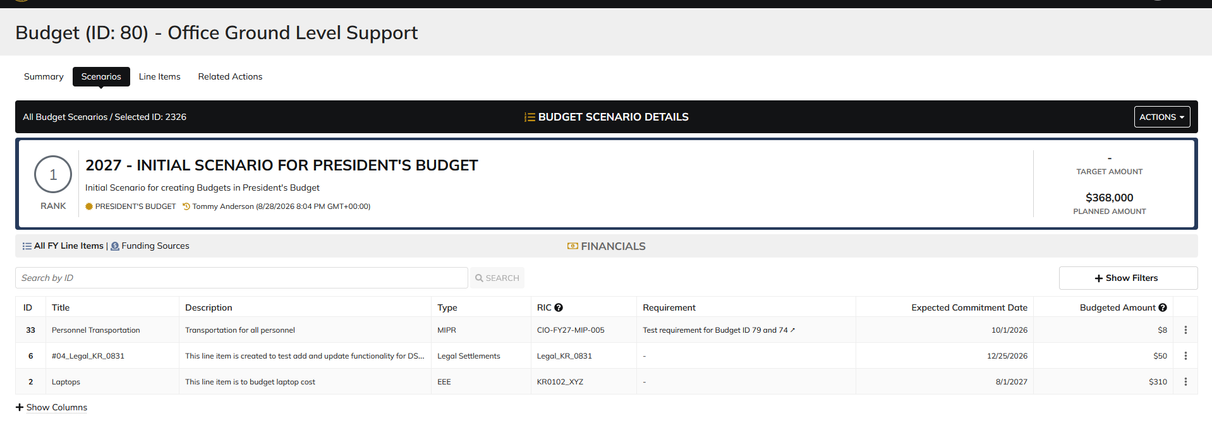
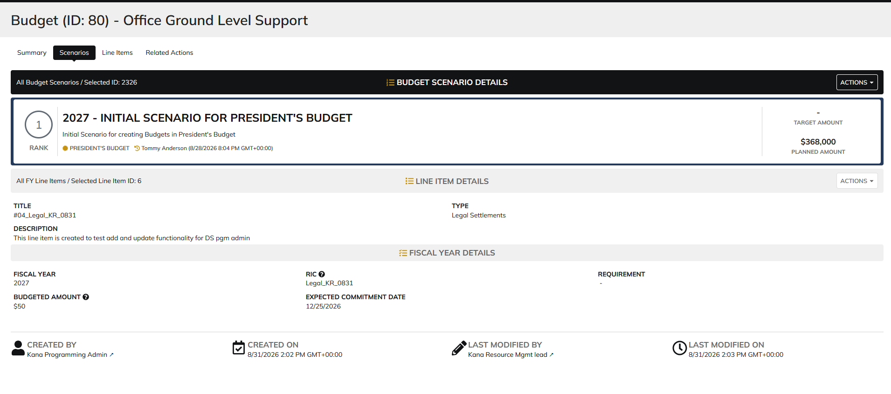
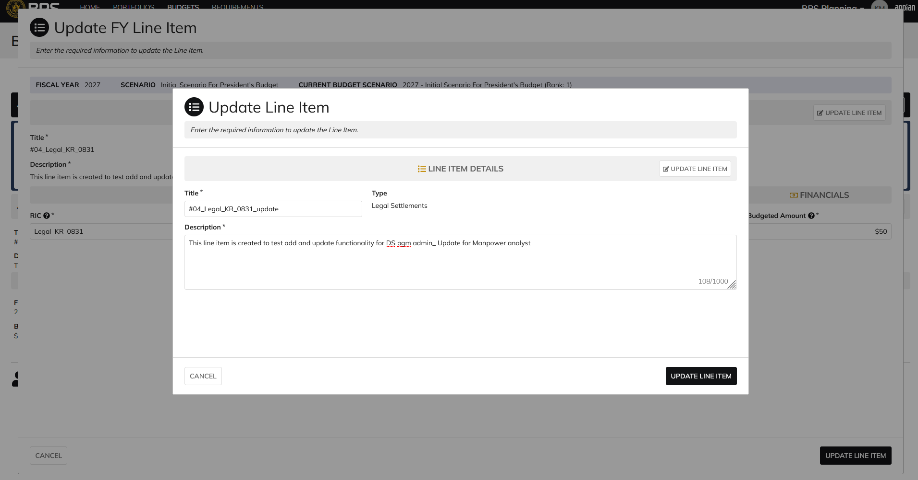
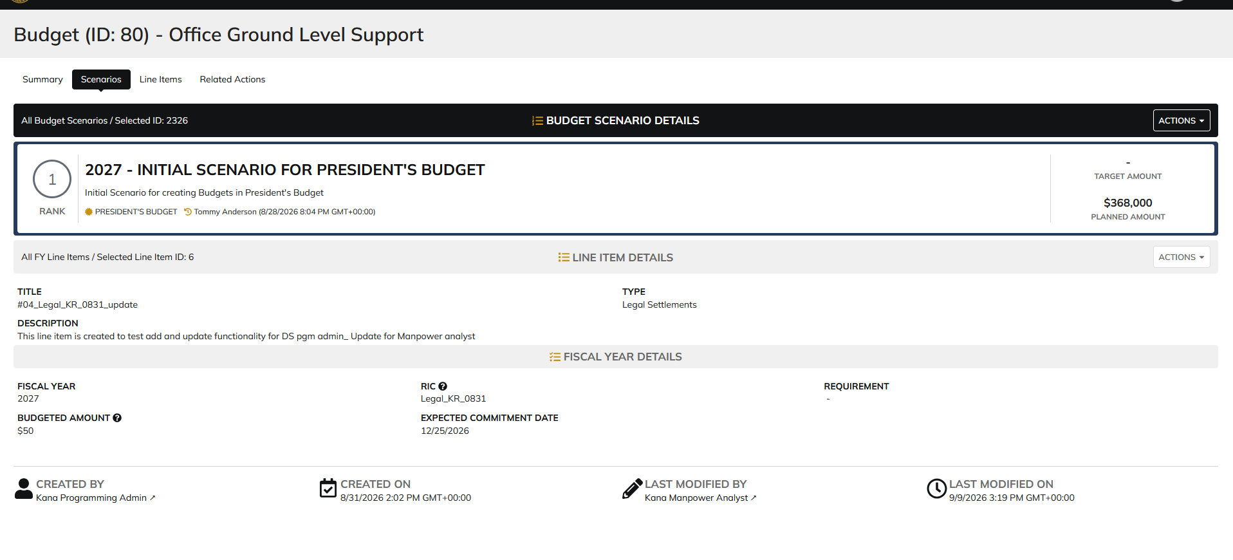
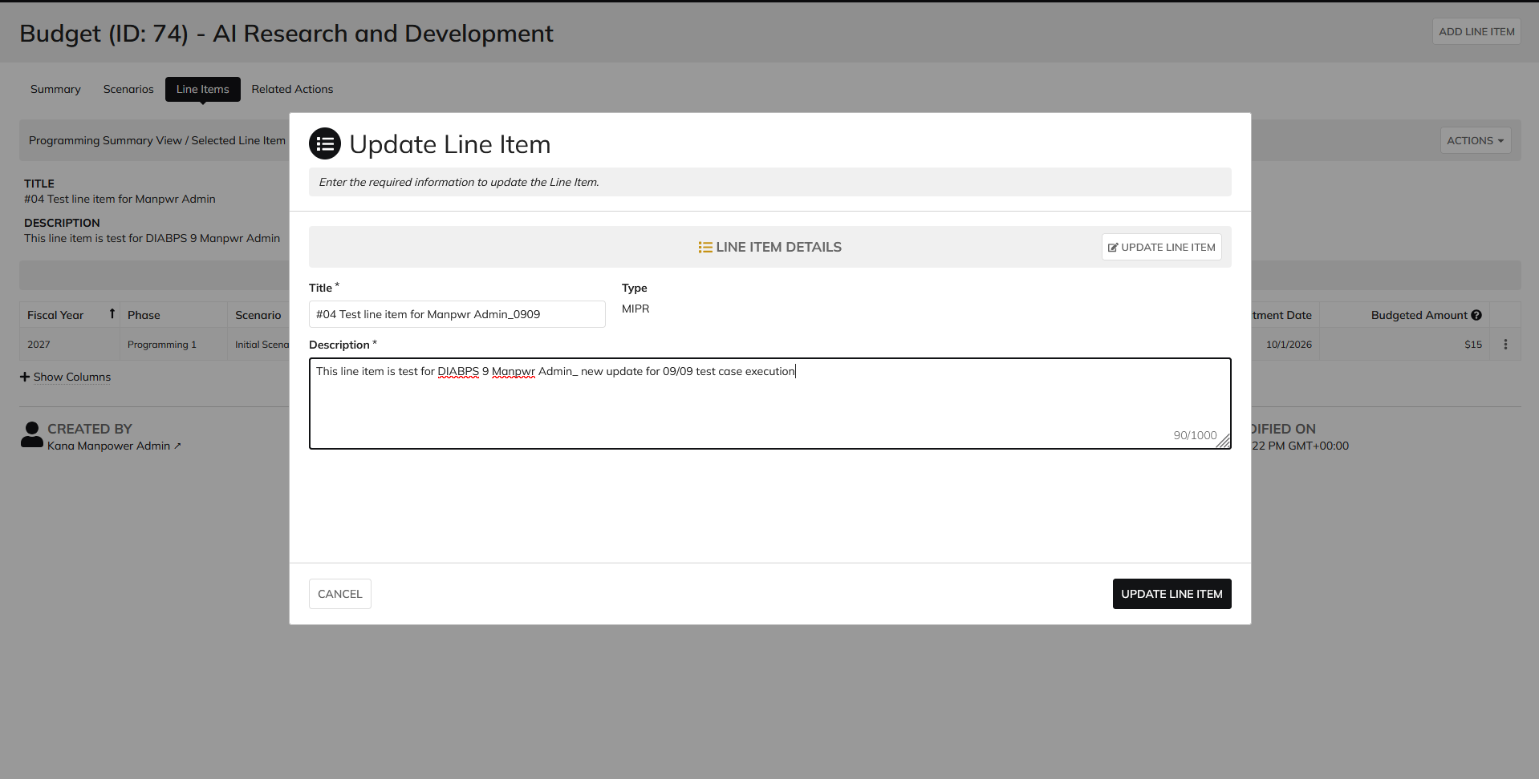
DIABPS Sprint 2.1- DIABPS-212 TEST CASE SCENARIO |  | TESTER INFO
Test Case ID: | DIABPS_212#02 | Created By: | Kana Raghavan
Test Scenario: | Add an IT Field on a Line Item (Planning Module) | Created On:
User Story: | Add an IT Field on a Line Item (Planning Module) | Reviewed By: | Jordan Helman
Story Description: | As a(n) Programming Admin, Manpower Admin, Resource Management Lead, Programming Lead, Manpower Lead, Programming Analyst, or Manpower Analyst, I can determine whether a line item is distinguished as IT at the persistent level. | Reviewed On:
Environment: | BPS Test | Executed By: | Kana Raghavan
User Role(s): | Manpower Admin | Executed On:
Pre-Conditions: | As a ES/DS Programming Admin user able to login and access Line Items in Budget tab
Acceptance Criteria | 1. When the user creates a line item as in DIABPS-9: Create Persistent Line ItemIn Testing, the following field also displays (field with an asterisk ( * ) indicate required fields): a. Is this IT?* i. Boolean field with the following options: 1. Yes 2. No 2. When the user updates a line item as in DIABPS-11: Update a Persistent Line ItemIn Testing , the following field also displays and is able to be updated (field with an asterisk ( * ) indicate required fields): a. Is this IT?* i. Boolean field with the following options: 1. Yes 2. No 3. The user can view this field when viewing a list of Line Items 4. The user can view this field when viewing a summary of a Line Item (within the “Line Item Details”) General Note: This is pertaining to a line item at the persistent level

Step Number | Step Description | Input Data | Expected Results | Pass/Fail
STEP 1
STEP 2
STEP 3
STEP 4
STEP 5
STEP 6
STEP 7
STEP 8
STEP 9
STEP 10
STEP 11

Evidences
 | Login as Manpower Analyst

